Sheet1
S/N | Query | Initiator | Status | Answer
1 | To confirm with Prof that we will skip the data_general_processing2 notebook when critiquing the codes. | Kah boon | Answered | KB, 22/7: Yes, Prof said we can skip the data_general_processing2 notebook and start with the extract_master_dataset3 notebook
2 | Baseline for comparison One requirement of the project requires us to improve the predictions for hospitalisation. In this regard, we need a baseline to improve on. Would the baseline be the modelling results as indicated on (i) Table 6: Comparison of the performance of different models based on three different Outcomes in the reference paper on Benchmarking Emergency Department Triage Prediction Models with Machine Learning and Large Public Electronic Health Record; or (ii) the generated results in the provided Task_1_Model_hospitalization_triage2.ipynb notebook? | Kah boon | Answered | Reply from Prof: >> You can use the generated results as a comparator. | 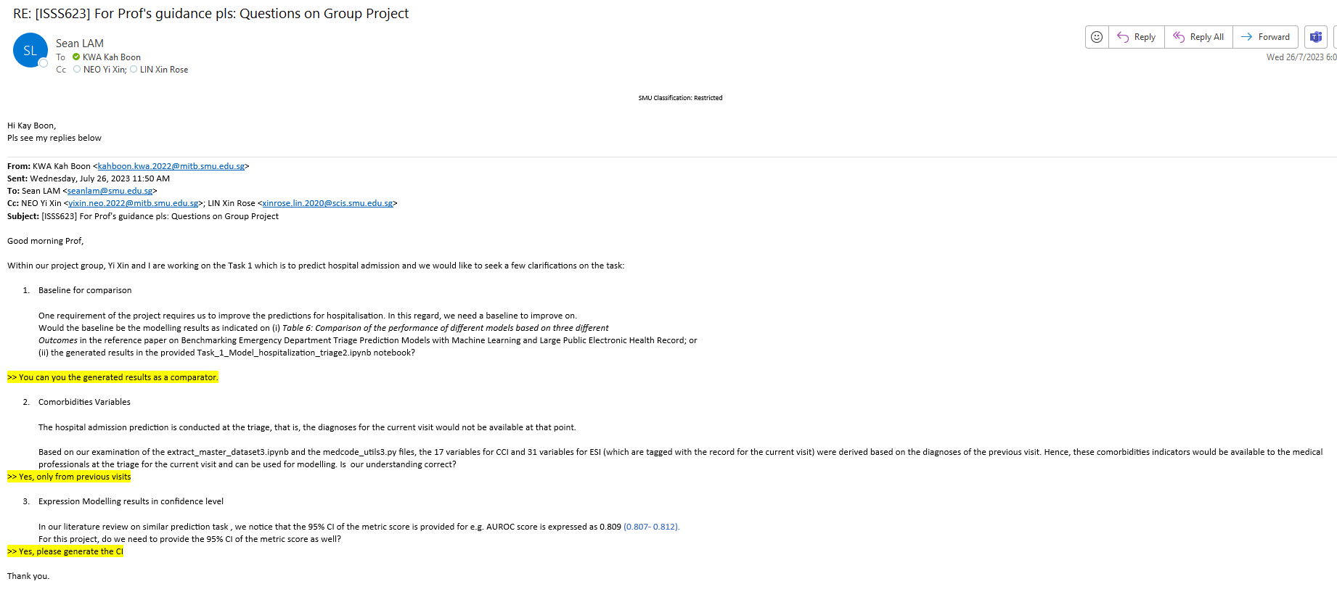
3 | Comorbidities Variables The hospital admission prediction is conducted at the triage, that is, the diagnoses for the current visit would not be available at that point. Based on our examination of the extract_master_dataset3.ipynb and the medcode_utils3.py files, the 17 variables for CCI and 31 variables for ESI (which are tagged with the record for the current visit) were derived based on the diagnoses of the previous visit. Hence, these comorbidities indicators would be available to the medical professionals at the triage for the current visit and can be used for modelling. Is our understanding correct? | Kah boon | Answered | Reply from Prof: >> Yes, only from previous visits
4 | Expressing Modelling results in confidence level In our literature review on similar prediction task , we notice that the 95% CI of the metric score is provided for e.g. AUROC score is expressed as 0.809 (0.807- 0.812). For this project, do we need to provide the 95% CI of the metric score as well? | Kah boon | Answered | Reply from Prof: >> Yes, please generate the CI

